Claim Form
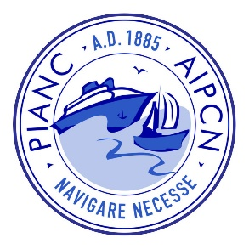
 |  | PIANC AU-NZ Expense Reimbursement Form
 |  | Please fill out the table in your local currency for reimbursement (AUD or NZD)
 |  | Reimbursement will be made by direct deposit to your nominated account
 |  | Please return this form, with receipts, as a single pdf. Keeping your receipts in the same order as listed will make reimbursement quicker, and everyone involved happier.
 |  | Please remember that TAP only covers flights, accomodation and local transport as per the published policy
 |  | For TAP claims, please include a copy of the TAP approval in the single pdf

 | Details |  |  | Reimbursement
 | Your Name |  |  | Currency | <AUD or NZD>
 | Expense Approved by |  |  | BSB (AU)/Bank Code (NZ)
 | Their PIANC Role | <PIANC Repesentative> |  | Account Number
 | Reason for Expense |  |  | Account Name
 | XERO Budget Code |  |  | Bank
 |  |  |  | Reimbursement Amount | $0.00

# | Date | Expense Category | Business Name | Amount Paid (inc GST) in <AUD or NZD> | GST Amount | Amount in foreign currency (if applicable) | Foreign currency | Exchange rate applied
1 |  | <select or type>
2 |  | <select or type>
3 |  | <select or type>
4 |  | <select or type>
5 |  | <select or type>
6 |  | <select or type>
7 |  | <select or type>
8 |  | <select or type>
9 |  | <select or type>
10 |  | <select or type>
11 |  | <select or type>
12 |  | <select or type>
13 |  | <select or type>
14 |  | <select or type>
15 |  | <select or type>
 |  |  |  | $0.00 | $0.00

